Risk Assessment
Project Risk Assessment:
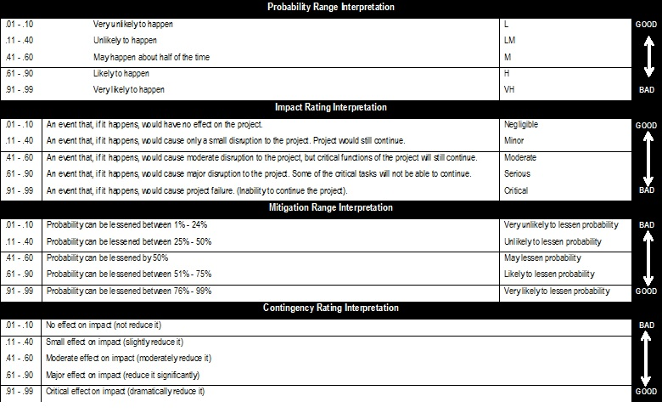
NR: | Risk / Event: | Probability: | Impact: | Mitigation: | Contingency: | Exposure:
 |  | 0.01 | 0.01 | 0.01 | 0.01 | 0.000
 |  | 0.01 | 0.01 | 0.01 | 0.01 | 0.000
 |  | 0.01 | 0.01 | 0.01 | 0.01 | 0.000
 |  | 0.01 | 0.01 | 0.01 | 0.01 | 0.000
 |  | 0.01 | 0.01 | 0.01 | 0.01 | 0.000
 |  | 0.01 | 0.01 | 0.01 | 0.01 | 0.000
 |  | 0.01 | 0.01 | 0.01 | 0.01 | 0.000
 |  | 0.01 | 0.01 | 0.01 | 0.01 | 0.000
 |  | 0.01 | 0.01 | 0.01 | 0.01 | 0.000
 |  | 0.01 | 0.01 | 0.01 | 0.01 | 0.000
 |  | 0.01 | 0.01 | 0.01 | 0.01 | 0.000
 |  | 0.01 | 0.01 | 0.01 | 0.01 | 0.000
 |  | 0.01 | 0.01 | 0.01 | 0.01 | 0.000
 |  | 0.01 | 0.01 | 0.01 | 0.01 | 0.000
 |  | 0.01 | 0.01 | 0.01 | 0.01 | 0.000
 |  | 0.01 | 0.01 | 0.01 | 0.01 | 0.000
 |  | 0.01 | 0.01 | 0.01 | 0.01 | 0.000
 |  | 0.01 | 0.01 | 0.01 | 0.01 | 0.000
 |  | 0.01 | 0.01 | 0.01 | 0.01 | 0.000
 |  | 0.01 | 0.01 | 0.01 | 0.01 | 0.000
 |  | 0.01 | 0.01 | 0.01 | 0.01 | 0.000
 |  | 0.01 | 0.01 | 0.01 | 0.01 | 0.000
 |  | 0.01 | 0.01 | 0.01 | 0.01 | 0.000
 |  | 0.01 | 0.01 | 0.01 | 0.01 | 0.000
 |  | 0.01 | 0.01 | 0.01 | 0.01 | 0.000
 |  | 0.01 | 0.01 | 0.01 | 0.01 | 0.000
 |  | 0.01 | 0.01 | 0.01 | 0.01 | 0.000
 |  | 0.01 | 0.01 | 0.01 | 0.01 | 0.000
 |  | 0.01 | 0.01 | 0.01 | 0.01 | 0.000
 |  | 0.01 | 0.01 | 0.01 | 0.01 | 0.000
Interpretation Key:
s | The higher the score the higher the risk.
s | Positive scores are bad since they indicate that the risk value is higher than the risk reduction value. This means that the risk
 | itself is greater than your ability to manage it.
s | Negative scores are good since they indicate that the risk value is lower than the reduction value. This means that your ability
 | to manage the risk is greater than the risk itself.
s | Positive risk exposure scores need additional mitigation and contingency planning since the current status quo is not enough
 | to mange the risk.
s | Negative risk exposure scores can be ignored, since you have enough mitigation and contingency measures in place to
 | manage the risk.

